Model
Ship | From |  | To |  | Unit Cost |  | Nodes | Inflow | Outflow | Net Flow | Supply/Demand
342 | 0 | Butter Pecan Bluff | 5 | Hazelnut Haven | $47 | 0 | Butter Pecan Bluff | 0 | 342 | -342 | -342
342 | 1 | Candyfloss Countryside | 4 | Frosted Fluff Fields | $37 | 1 | Candyfloss Countryside | 0 | 342 | -342 | -342
212 | 2 | Caramel Cascades | 5 | Hazelnut Haven | $36 | 2 | Caramel Cascades | 0 | 212 | -212 | -212
0 | 3 | Coconut Cream Cove | 8 | Peppermint Peninsula | $48 | 3 | Coconut Cream Cove | 195 | 0 | 195 | 195
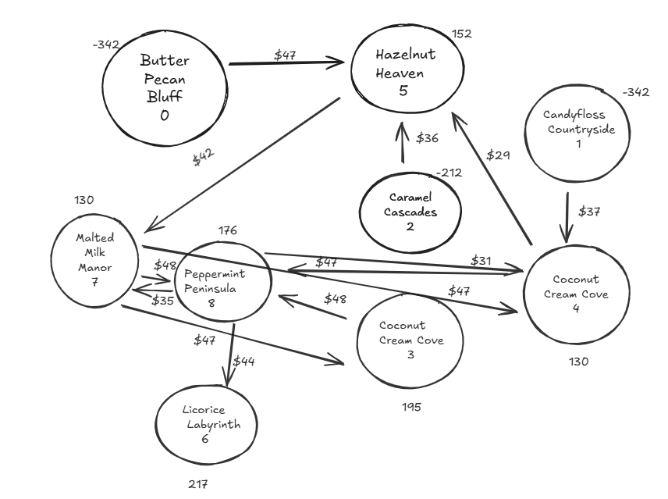
0 | 4 | Frosted Fluff Fields | 5 | Hazelnut Haven | $29 | 4 | Frosted Fluff Fields | 342 | 212 | 130 | 130
212 | 4 | Frosted Fluff Fields | 8 | Peppermint Peninsula | $27 | 5 | Hazelnut Haven | 554 | 402 | 152 | 152
402 | 5 | Hazelnut Haven | 7 | Malted Milk Manor | $42 | 6 | Licorice Labyrinth | 113 | 0 | 113 | 217
195 | 7 | Malted Milk Manor | 3 | Coconut Cream Cove | $47 | 7 | Malted Milk Manor | 402 | 272 | 130 | 130
0 | 7 | Malted Milk Manor | 4 | Frosted Fluff Fields | $47 | 8 | Peppermint Peninsula | 289 | 113 | 176 | 176
77 | 7 | Malted Milk Manor | 8 | Peppermint Peninsula | $48
0 | 8 | Peppermint Peninsula | 4 | Frosted Fluff Fields | $31
113 | 8 | Peppermint Peninsula | 6 | Licorice Labyrinth | $44
0 | 8 | Peppermint Peninsula | 7 | Malted Milk Manor | $35

 |  |  |  |  |  | Total Transportation Cost | $76,801.00

